US BBG CD1M
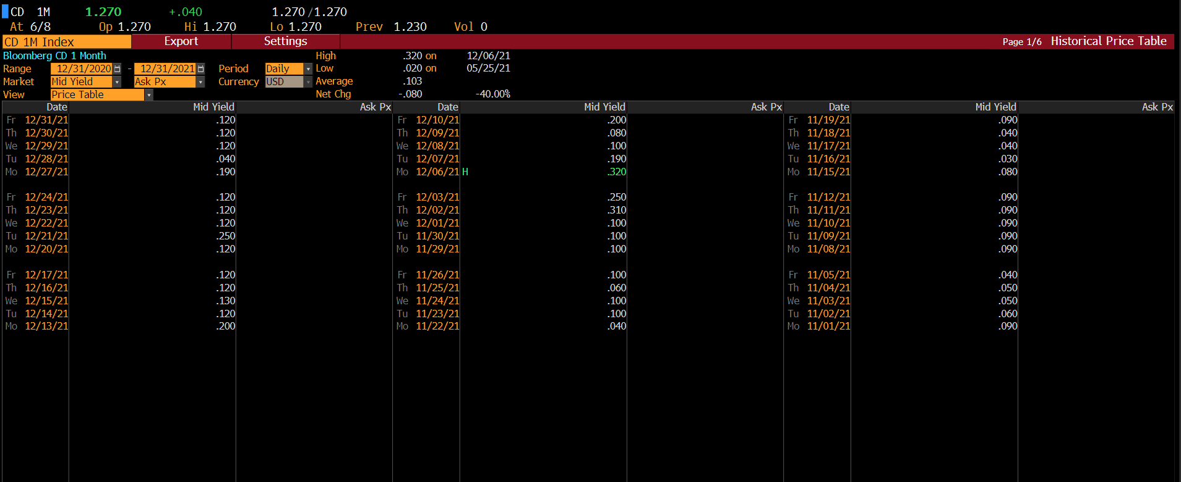
Security | CD 1M Index
Start Date | 12/31/20
End Date | 12/31/21
Period | D

Date | PX_LAST
2021-12-31 | 0.12
2021-12-30 | 0.12
2021-12-29 | 0.12
2021-12-28 | 0.04
2021-12-27 | 0.19
2021-12-24 | 0.12
2021-12-23 | 0.12
2021-12-22 | 0.12
2021-12-21 | 0.25
2021-12-20 | 0.12
2021-12-17 | 0.12
2021-12-16 | 0.12
2021-12-15 | 0.13
2021-12-14 | 0.12
2021-12-13 | 0.2
2021-12-10 | 0.2
2021-12-09 | 0.08
2021-12-08 | 0.1
2021-12-07 | 0.19
2021-12-06 | 0.32
2021-12-03 | 0.25
2021-12-02 | 0.31
2021-12-01 | 0.1
2021-11-30 | 0.1
2021-11-29 | 0.1
2021-11-26 | 0.1
2021-11-25 | 0.06
2021-11-24 | 0.1
2021-11-23 | 0.1
2021-11-22 | 0.04
2021-11-19 | 0.09
2021-11-18 | 0.04
2021-11-17 | 0.04
2021-11-16 | 0.03
2021-11-15 | 0.08
2021-11-12 | 0.09
2021-11-11 | 0.09
2021-11-10 | 0.09
2021-11-09 | 0.09
2021-11-08 | 0.09
2021-11-05 | 0.04
2021-11-04 | 0.05
2021-11-03 | 0.05
2021-11-02 | 0.06
2021-11-01 | 0.09
2021-10-29 | 0.09
2021-10-28 | 0.07
2021-10-27 | 0.08
2021-10-26 | 0.04
2021-10-25 | 0.08
2021-10-22 | 0.05
2021-10-21 | 0.05
2021-10-20 | 0.08
2021-10-19 | 0.08
2021-10-18 | 0.07
2021-10-15 | 0.05
2021-10-14 | 0.08
2021-10-13 | 0.05
2021-10-12 | 0.08
2021-10-11 | 0.08
2021-10-08 | 0.08
2021-10-07 | 0.06
2021-10-06 | 0.06
2021-10-05 | 0.08
2021-10-04 | 0.08
2021-10-01 | 0.05
2021-09-30 | 0.08
2021-09-29 | 0.08
2021-09-28 | 0.1
2021-09-27 | 0.08
2021-09-24 | 0.08
2021-09-23 | 0.08
2021-09-22 | 0.07
2021-09-21 | 0.09
2021-09-20 | 0.08
2021-09-17 | 0.08
2021-09-16 | 0.09
2021-09-15 | 0.08
2021-09-14 | 0.08
2021-09-13 | 0.07
2021-09-10 | 0.08
2021-09-09 | 0.08
2021-09-08 | 0.09
2021-09-07 | 0.08
2021-09-03 | 0.08
2021-09-02 | 0.09
2021-09-01 | 0.12
2021-08-31 | 0.09
2021-08-30 | 0.12
2021-08-27 | 0.09
2021-08-26 | 0.06
2021-08-25 | 0.1
2021-08-24 | 0.09
2021-08-23 | 0.06
2021-08-20 | 0.06
2021-08-19 | 0.06
2021-08-18 | 0.07
2021-08-17 | 0.06
2021-08-16 | 0.1
2021-08-13 | 0.1
2021-08-12 | 0.1
2021-08-11 | 0.07
2021-08-10 | 0.09
2021-08-09 | 0.1
2021-08-06 | 0.06
2021-08-05 | 0.06
2021-08-04 | 0.07
2021-08-03 | 0.07
2021-08-02 | 0.11
2021-07-30 | 0.09
2021-07-29 | 0.09
2021-07-28 | 0.09
2021-07-27 | 0.09
2021-07-26 | 0.09
2021-07-23 | 0.09
2021-07-22 | 0.09
2021-07-21 | 0.09
2021-07-20 | 0.09
2021-07-19 | 0.09
2021-07-16 | 0.09
2021-07-15 | 0.09
2021-07-14 | 0.09
2021-07-13 | 0.09
2021-07-12 | 0.1
2021-07-09 | 0.12
2021-07-08 | 0.13
2021-07-07 | 0.1
2021-07-06 | 0.09
2021-07-02 | 0.11
2021-07-01 | 0.12
2021-06-30 | 0.1
2021-06-29 | 0.13
2021-06-28 | 0.11
2021-06-25 | 0.07
2021-06-24 | 0.09
2021-06-23 | 0.1
2021-06-22 | 0.07
2021-06-21 | 0.1
2021-06-18 | 0.1
2021-06-17 | 0.08
2021-06-16 | 0.09
2021-06-15 | 0.09
2021-06-14 | 0.1
2021-06-11 | 0.08
2021-06-10 | 0.11
2021-06-09 | 0.04
2021-06-08 | 0.08
2021-06-07 | 0.04
2021-06-04 | 0.08
2021-06-03 | 0.08
2021-06-02 | 0.08
2021-06-01 | 0.04
2021-05-31 | 0.03
2021-05-28 | 0.09
2021-05-27 | 0.08
2021-05-26 | 0.07
2021-05-25 | 0.02
2021-05-24 | 0.09
2021-05-21 | 0.09
2021-05-20 | 0.09
2021-05-19 | 0.09
2021-05-18 | 0.08
2021-05-17 | 0.04
2021-05-14 | 0.04
2021-05-13 | 0.1
2021-05-12 | 0.1
2021-05-11 | 0.09
2021-05-10 | 0.06
2021-05-07 | 0.09
2021-05-06 | 0.09
2021-05-05 | 0.09
2021-05-04 | 0.1
2021-05-03 | 0.09
2021-04-30 | 0.11
2021-04-29 | 0.11
2021-04-28 | 0.05
2021-04-27 | 0.06
2021-04-26 | 0.12
2021-04-23 | 0.12
2021-04-22 | 0.11
2021-04-21 | 0.13
2021-04-20 | 0.1
2021-04-19 | 0.12
2021-04-16 | 0.12
2021-04-15 | 0.12
2021-04-14 | 0.12
2021-04-13 | 0.07
2021-04-12 | 0.12
2021-04-09 | 0.12
2021-04-08 | 0.11
2021-04-07 | 0.11
2021-04-06 | 0.12
2021-04-05 | 0.1
2021-04-02 | 0.11
2021-04-01 | 0.11
2021-03-31 | 0.11
2021-03-30 | 0.16
2021-03-29 | 0.11
2021-03-26 | 0.16
2021-03-25 | 0.11
2021-03-24 | 0.11
2021-03-23 | 0.21
2021-03-22 | 0.13
2021-03-19 | 0.11
2021-03-18 | 0.11
2021-03-17 | 0.11
2021-03-16 | 0.19
2021-03-15 | 0.15
2021-03-12 | 0.11
2021-03-11 | 0.15
2021-03-10 | 0.22
2021-03-09 | 0.18
2021-03-08 | 0.11
2021-03-05 | 0.11
2021-03-04 | 0.18
2021-03-03 | 0.11
2021-03-02 | 0.18
2021-03-01 | 0.18
2021-02-26 | 0.21
2021-02-25 | 0.19
2021-02-24 | 0.12
2021-02-23 | 0.16
2021-02-22 | 0.1
2021-02-19 | 0.07
2021-02-18 | 0.07
2021-02-17 | 0.11
2021-02-16 | 0.07
2021-02-15 | 0.07
2021-02-12 | 0.15
2021-02-11 | 0.12
2021-02-10 | 0.11
2021-02-09 | 0.12
2021-02-08 | 0.11
2021-02-05 | 0.12
2021-02-04 | 0.13
2021-02-03 | 0.12
2021-02-02 | 0.12
2021-02-01 | 0.13
2021-01-29 | 0.16
2021-01-28 | 0.17
2021-01-27 | 0.13
2021-01-26 | 0.13
2021-01-25 | 0.13
2021-01-22 | 0.13
2021-01-21 | 0.14
2021-01-20 | 0.14
2021-01-19 | 0.14
2021-01-18 | 0.14
2021-01-15 | 0.13
2021-01-14 | 0.13
2021-01-13 | 0.16
2021-01-12 | 0.15
2021-01-11 | 0.14
2021-01-08 | 0.13
2021-01-07 | 0.14
2021-01-06 | 0.1
2021-01-05 | 0.08
2021-01-04 | 0.15
2021-01-01 | 0.17
2020-12-31 | 0.2

USDRA 1M
Security | USDRA CMPN Curncy
Start Date | 12/31/20
End Date | 12/31/21
Period | D
Pricing Source | CMPN

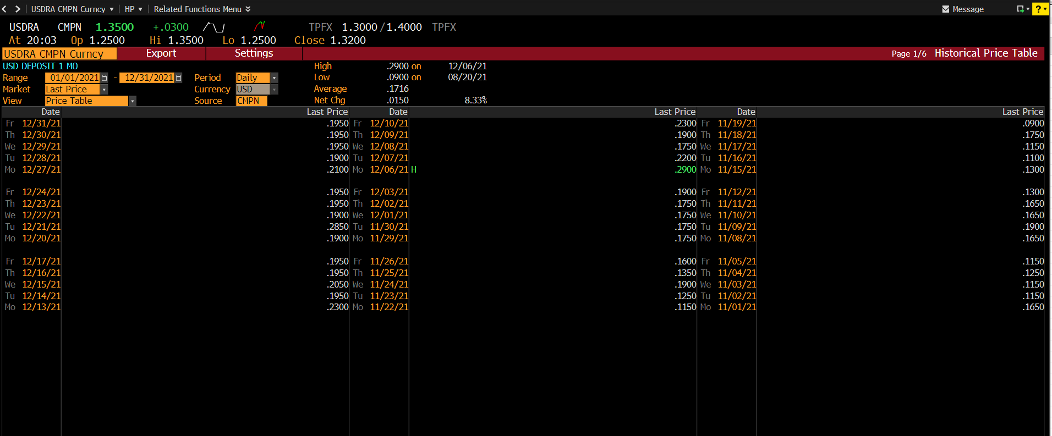
Date | PX_LAST
2021-12-31 | 0.195
2021-12-30 | 0.195
2021-12-29 | 0.195
2021-12-28 | 0.19
2021-12-27 | 0.21
2021-12-24 | 0.195
2021-12-23 | 0.195
2021-12-22 | 0.19
2021-12-21 | 0.285
2021-12-20 | 0.19
2021-12-17 | 0.195
2021-12-16 | 0.195
2021-12-15 | 0.205
2021-12-14 | 0.195
2021-12-13 | 0.23
2021-12-10 | 0.23
2021-12-09 | 0.19
2021-12-08 | 0.175
2021-12-07 | 0.22
2021-12-06 | 0.29
2021-12-03 | 0.19
2021-12-02 | 0.175
2021-12-01 | 0.175
2021-11-30 | 0.175
2021-11-29 | 0.175
2021-11-26 | 0.16
2021-11-25 | 0.135
2021-11-24 | 0.19
2021-11-23 | 0.125
2021-11-22 | 0.115
2021-11-19 | 0.09
2021-11-18 | 0.175
2021-11-17 | 0.115
2021-11-16 | 0.11
2021-11-15 | 0.13
2021-11-12 | 0.13
2021-11-11 | 0.165
2021-11-10 | 0.165
2021-11-09 | 0.19
2021-11-08 | 0.165
2021-11-05 | 0.115
2021-11-04 | 0.125
2021-11-03 | 0.115
2021-11-02 | 0.115
2021-11-01 | 0.165
2021-10-29 | 0.09
2021-10-28 | 0.145
2021-10-27 | 0.135
2021-10-26 | 0.19
2021-10-25 | 0.155
2021-10-22 | 0.125
2021-10-21 | 0.125
2021-10-20 | 0.155
2021-10-19 | 0.145
2021-10-18 | 0.145
2021-10-15 | 0.125
2021-10-14 | 0.14
2021-10-13 | 0.13
2021-10-12 | 0.155
2021-10-11 | 0.155
2021-10-08 | 0.155
2021-10-07 | 0.135
2021-10-06 | 0.14
2021-10-05 | 0.135
2021-10-04 | 0.135
2021-10-01 | 0.125
2021-09-30 | 0.155
2021-09-29 | 0.155
2021-09-28 | 0.16
2021-09-27 | 0.155
2021-09-24 | 0.09
2021-09-23 | 0.17
2021-09-22 | 0.145
2021-09-21 | 0.155
2021-09-20 | 0.155
2021-09-17 | 0.155
2021-09-16 | 0.165
2021-09-15 | 0.155
2021-09-14 | 0.155
2021-09-13 | 0.145
2021-09-10 | 0.155
2021-09-09 | 0.155
2021-09-08 | 0.19
2021-09-07 | 0.155
2021-09-06 | 0.145
2021-09-03 | 0.16
2021-09-02 | 0.165
2021-09-01 | 0.165
2021-08-31 | 0.165
2021-08-30 | 0.155
2021-08-27 | 0.135
2021-08-26 | 0.14
2021-08-25 | 0.135
2021-08-24 | 0.135
2021-08-23 | 0.135
2021-08-20 | 0.09
2021-08-19 | 0.15
2021-08-18 | 0.15
2021-08-17 | 0.145
2021-08-16 | 0.175
2021-08-13 | 0.13
2021-08-12 | 0.175
2021-08-11 | 0.21
2021-08-10 | 0.145
2021-08-09 | 0.175
2021-08-06 | 0.135
2021-08-05 | 0.135
2021-08-04 | 0.145
2021-08-03 | 0.21
2021-08-02 | 0.145
2021-07-30 | 0.165
2021-07-29 | 0.165
2021-07-28 | 0.155
2021-07-27 | 0.165
2021-07-26 | 0.165
2021-07-23 | 0.165
2021-07-22 | 0.165
2021-07-21 | 0.17
2021-07-20 | 0.155
2021-07-19 | 0.21
2021-07-16 | 0.165
2021-07-15 | 0.165
2021-07-14 | 0.165
2021-07-13 | 0.165
2021-07-12 | 0.175
2021-07-09 | 0.18
2021-07-08 | 0.175
2021-07-07 | 0.175
2021-07-06 | 0.165
2021-07-05 | 0.185
2021-07-02 | 0.185
2021-07-01 | 0.17
2021-06-30 | 0.2
2021-06-29 | 0.22
2021-06-28 | 0.185
2021-06-25 | 0.19
2021-06-24 | 0.19
2021-06-23 | 0.175
2021-06-22 | 0.17
2021-06-21 | 0.17
2021-06-18 | 0.1
2021-06-17 | 0.21
2021-06-16 | 0.165
2021-06-15 | 0.16
2021-06-14 | 0.15
2021-06-11 | 0.16
2021-06-10 | 0.19
2021-06-09 | 0.15
2021-06-08 | 0.155
2021-06-07 | 0.14
2021-06-04 | 0.15
2021-06-03 | 0.155
2021-06-02 | 0.155
2021-06-01 | 0.17
2021-05-31 | 0.18
2021-05-28 | 0.14
2021-05-27 | 0.13
2021-05-26 | 0.12
2021-05-25 | 0.12
2021-05-24 | 0.165
2021-05-21 | 0.2
2021-05-20 | 0.165
2021-05-19 | 0.2
2021-05-18 | 0.16
2021-05-17 | 0.15
2021-05-14 | 0.14
2021-05-13 | 0.14
2021-05-12 | 0.2
2021-05-11 | 0.16
2021-05-10 | 0.14
2021-05-07 | 0.185
2021-05-06 | 0.18
2021-05-05 | 0.18
2021-05-04 | 0.16
2021-05-03 | 0.19
2021-04-30 | 0.185
2021-04-29 | 0.185
2021-04-28 | 0.195
2021-04-27 | 0.16
2021-04-26 | 0.195
2021-04-23 | 0.11
2021-04-22 | 0.18
2021-04-21 | 0.21
2021-04-20 | 0.2
2021-04-19 | 0.19
2021-04-16 | 0.16
2021-04-15 | 0.16
2021-04-14 | 0.16
2021-04-13 | 0.17
2021-04-12 | 0.195
2021-04-09 | 0.21
2021-04-08 | 0.135
2021-04-07 | 0.21
2021-04-06 | 0.21
2021-04-05 | 0.135
2021-04-02 | 0.11
2021-04-01 | 0.185
2021-03-31 | 0.185
2021-03-30 | 0.22
2021-03-29 | 0.185
2021-03-26 | 0.21
2021-03-25 | 0.24
2021-03-24 | 0.25
2021-03-23 | 0.21
2021-03-22 | 0.25
2021-03-19 | 0.21
2021-03-18 | 0.185
2021-03-17 | 0.185
2021-03-16 | 0.24
2021-03-15 | 0.205
2021-03-12 | 0.21
2021-03-11 | 0.25
2021-03-10 | 0.25
2021-03-09 | 0.185
2021-03-08 | 0.185
2021-03-05 | 0.185
2021-03-04 | 0.25
2021-03-03 | 0.185
2021-03-02 | 0.22
2021-03-01 | 0.28
2021-02-26 | 0.26
2021-02-25 | 0.24
2021-02-24 | 0.21
2021-02-23 | 0.21
2021-02-22 | 0.2
2021-02-19 | 0.1
2021-02-18 | 0.17
2021-02-17 | 0.17
2021-02-16 | 0.17
2021-02-15 | 0.17
2021-02-12 | 0.21
2021-02-11 | 0.21
2021-02-10 | 0.185
2021-02-09 | 0.185
2021-02-08 | 0.185
2021-02-05 | 0.195
2021-02-04 | 0.145
2021-02-03 | 0.145
2021-02-02 | 0.145
2021-02-01 | 0.145
2021-01-29 | 0.22
2021-01-28 | 0.155
2021-01-27 | 0.22
2021-01-26 | 0.155
2021-01-25 | 0.155
2021-01-22 | 0.155
2021-01-21 | 0.155
2021-01-20 | 0.165
2021-01-19 | 0.165
2021-01-18 | 0.24
2021-01-15 | 0.155
2021-01-14 | 0.155
2021-01-13 | 0.25
2021-01-12 | 0.23
2021-01-11 | 0.25
2021-01-08 | 0.155
2021-01-07 | 0.155
2021-01-06 | 0.155
2021-01-05 | 0.23
2021-01-04 | 0.24
2021-01-01 | 0.18
2020-12-31 | 0.32

USRGCGA 1M
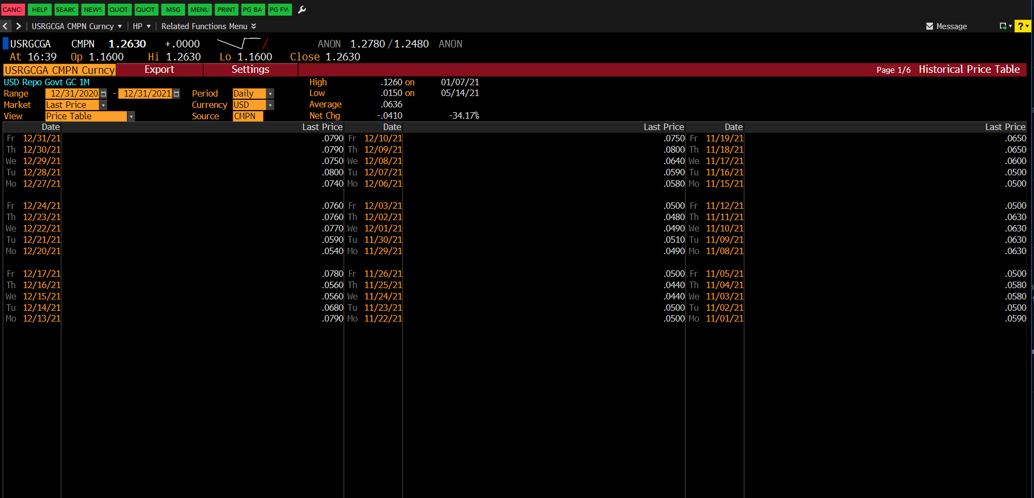
Security | USRGCGA CMPN Curncy
Start Date | 12/31/20
End Date | 12/31/21
Period | D
Currency | USD
Pricing Source | CMPN

Date | PX_LAST
2021-12-31 | 0.079
2021-12-30 | 0.079
2021-12-29 | 0.075
2021-12-28 | 0.08
2021-12-27 | 0.074
2021-12-24 | 0.076
2021-12-23 | 0.076
2021-12-22 | 0.077
2021-12-21 | 0.059
2021-12-20 | 0.054
2021-12-17 | 0.078
2021-12-16 | 0.056
2021-12-15 | 0.056
2021-12-14 | 0.068
2021-12-13 | 0.079
2021-12-10 | 0.075
2021-12-09 | 0.08
2021-12-08 | 0.064
2021-12-07 | 0.059
2021-12-06 | 0.058
2021-12-03 | 0.05
2021-12-02 | 0.048
2021-12-01 | 0.049
2021-11-30 | 0.051
2021-11-29 | 0.049
2021-11-26 | 0.05
2021-11-25 | 0.044
2021-11-24 | 0.044
2021-11-23 | 0.05
2021-11-22 | 0.05
2021-11-19 | 0.065
2021-11-18 | 0.065
2021-11-17 | 0.06
2021-11-16 | 0.05
2021-11-15 | 0.05
2021-11-12 | 0.05
2021-11-11 | 0.063
2021-11-10 | 0.063
2021-11-09 | 0.063
2021-11-08 | 0.063
2021-11-05 | 0.05
2021-11-04 | 0.058
2021-11-03 | 0.058
2021-11-02 | 0.05
2021-11-01 | 0.059
2021-10-29 | 0.05
2021-10-28 | 0.061
2021-10-27 | 0.058
2021-10-26 | 0.06
2021-10-25 | 0.058
2021-10-22 | 0.053
2021-10-21 | 0.046
2021-10-20 | 0.043
2021-10-19 | 0.047
2021-10-18 | 0.055
2021-10-15 | 0.054
2021-10-14 | 0.054
2021-10-13 | 0.057
2021-10-12 | 0.053
2021-10-11 | 0.051
2021-10-08 | 0.05
2021-10-07 | 0.051
2021-10-06 | 0.054
2021-10-05 | 0.05
2021-10-04 | 0.054
2021-10-01 | 0.056
2021-09-30 | 0.053
2021-09-29 | 0.051
2021-09-28 | 0.056
2021-09-27 | 0.056
2021-09-24 | 0.052
2021-09-23 | 0.05
2021-09-22 | 0.053
2021-09-21 | 0.056
2021-09-20 | 0.061
2021-09-17 | 0.061
2021-09-16 | 0.055
2021-09-15 | 0.061
2021-09-14 | 0.058
2021-09-13 | 0.064
2021-09-10 | 0.062
2021-09-09 | 0.059
2021-09-08 | 0.059
2021-09-07 | 0.055
2021-09-06 | 0.055
2021-09-03 | 0.057
2021-09-02 | 0.058
2021-09-01 | 0.06
2021-08-31 | 0.055
2021-08-30 | 0.055
2021-08-27 | 0.05
2021-08-26 | 0.062
2021-08-25 | 0.06
2021-08-24 | 0.05
2021-08-23 | 0.055
2021-08-20 | 0.056
2021-08-19 | 0.058
2021-08-18 | 0.06
2021-08-17 | 0.045
2021-08-16 | 0.063
2021-08-13 | 0.058
2021-08-12 | 0.05
2021-08-11 | 0.045
2021-08-10 | 0.045
2021-08-09 | 0.045
2021-08-06 | 0.045
2021-08-05 | 0.05
2021-08-04 | 0.052
2021-08-03 | 0.051
2021-08-02 | 0.051
2021-07-30 | 0.05
2021-07-29 | 0.045
2021-07-28 | 0.045
2021-07-27 | 0.045
2021-07-26 | 0.044
2021-07-23 | 0.045
2021-07-22 | 0.053
2021-07-21 | 0.053
2021-07-20 | 0.046
2021-07-19 | 0.05
2021-07-16 | 0.052
2021-07-15 | 0.069
2021-07-14 | 0.053
2021-07-13 | 0.073
2021-07-12 | 0.051
2021-07-09 | 0.072
2021-07-08 | 0.072
2021-07-07 | 0.04
2021-07-06 | 0.077
2021-07-05 | 0.061
2021-07-02 | 0.061
2021-07-01 | 0.061
2021-06-30 | 0.061
2021-06-29 | 0.066
2021-06-28 | 0.03
2021-06-25 | 0.055
2021-06-24 | 0.05
2021-06-23 | 0.044
2021-06-22 | 0.03
2021-06-21 | 0.073
2021-06-18 | 0.07
2021-06-17 | 0.068
2021-06-16 | 0.07
2021-06-15 | 0.055
2021-06-14 | 0.058
2021-06-11 | 0.044
2021-06-10 | 0.048
2021-06-09 | 0.048
2021-06-08 | 0.048
2021-06-07 | 0.047
2021-06-04 | 0.049
2021-06-03 | 0.02
2021-06-02 | 0.046
2021-06-01 | 0.056
2021-05-31 | 0.054
2021-05-28 | 0.054
2021-05-27 | 0.053
2021-05-26 | 0.016
2021-05-25 | 0.045
2021-05-24 | 0.015
2021-05-21 | 0.015
2021-05-20 | 0.045
2021-05-19 | 0.032
2021-05-18 | 0.034
2021-05-17 | 0.015
2021-05-14 | 0.015
2021-05-13 | 0.039
2021-05-12 | 0.029
2021-05-11 | 0.039
2021-05-10 | 0.037
2021-05-07 | 0.039
2021-05-06 | 0.031
2021-05-05 | 0.031
2021-05-04 | 0.037
2021-05-03 | 0.03
2021-04-30 | 0.03
2021-04-29 | 0.025
2021-04-28 | 0.026
2021-04-27 | 0.067
2021-04-26 | 0.068
2021-04-23 | 0.035
2021-04-22 | 0.035
2021-04-21 | 0.068
2021-04-20 | 0.068
2021-04-19 | 0.038
2021-04-16 | 0.035
2021-04-15 | 0.037
2021-04-14 | 0.043
2021-04-13 | 0.04
2021-04-12 | 0.062
2021-04-09 | 0.059
2021-04-08 | 0.043
2021-04-07 | 0.075
2021-04-06 | 0.076
2021-04-05 | 0.076
2021-04-02 | 0.073
2021-04-01 | 0.073
2021-03-31 | 0.03
2021-03-30 | 0.074
2021-03-29 | 0.07
2021-03-26 | 0.072
2021-03-25 | 0.076
2021-03-24 | 0.072
2021-03-23 | 0.073
2021-03-22 | 0.045
2021-03-19 | 0.095
2021-03-18 | 0.095
2021-03-17 | 0.095
2021-03-16 | 0.102
2021-03-15 | 0.07
2021-03-12 | 0.083
2021-03-11 | 0.083
2021-03-10 | 0.07
2021-03-09 | 0.07
2021-03-08 | 0.083
2021-03-05 | 0.082
2021-03-04 | 0.084
2021-03-03 | 0.083
2021-03-02 | 0.085
2021-03-01 | 0.07
2021-02-26 | 0.07
2021-02-25 | 0.07
2021-02-24 | 0.07
2021-02-23 | 0.096
2021-02-22 | 0.107
2021-02-19 | 0.098
2021-02-18 | 0.102
2021-02-17 | 0.103
2021-02-16 | 0.101
2021-02-15 | 0.07
2021-02-12 | 0.102
2021-02-11 | 0.102
2021-02-10 | 0.103
2021-02-09 | 0.107
2021-02-08 | 0.103
2021-02-05 | 0.096
2021-02-04 | 0.1
2021-02-03 | 0.106
2021-02-02 | 0.108
2021-02-01 | 0.1
2021-01-29 | 0.099
2021-01-28 | 0.095
2021-01-27 | 0.11
2021-01-26 | 0.105
2021-01-25 | 0.098
2021-01-22 | 0.1
2021-01-21 | 0.101
2021-01-20 | 0.116
2021-01-19 | 0.116
2021-01-18 | 0.113
2021-01-15 | 0.113
2021-01-14 | 0.117
2021-01-13 | 0.117
2021-01-12 | 0.12
2021-01-11 | 0.115
2021-01-08 | 0.12
2021-01-07 | 0.126
2021-01-06 | 0.122
2021-01-05 | 0.124
2021-01-04 | 0.12
2021-01-01 | 0.125
2020-12-31 | 0.12

USFDJN1C
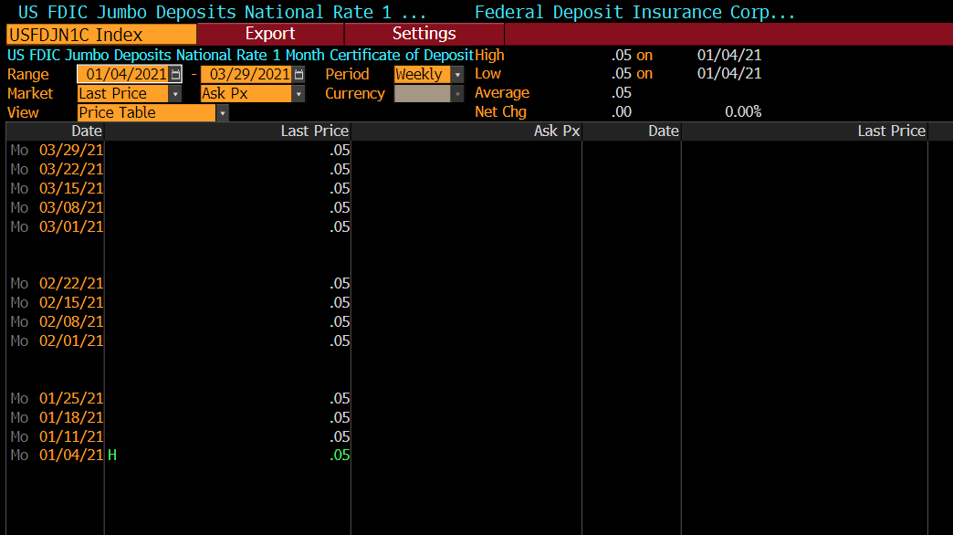
Security | USFDJN1C Index
Start Date | 1/4/21
End Date | 3/29/21
Period | W

Date | PX_LAST
2021-03-29 | 0.05
2021-03-22 | 0.05
2021-03-15 | 0.05
2021-03-08 | 0.05
2021-03-01 | 0.05
2021-02-22 | 0.05
2021-02-15 | 0.05
2021-02-08 | 0.05
2021-02-01 | 0.05
2021-01-25 | 0.05
2021-01-18 | 0.05
2021-01-11 | 0.05
2021-01-04 | 0.05

USFDJRMM
Security | USFDJRMM Index
Start Date | 1/4/21
End Date | 3/29/21
Period | W

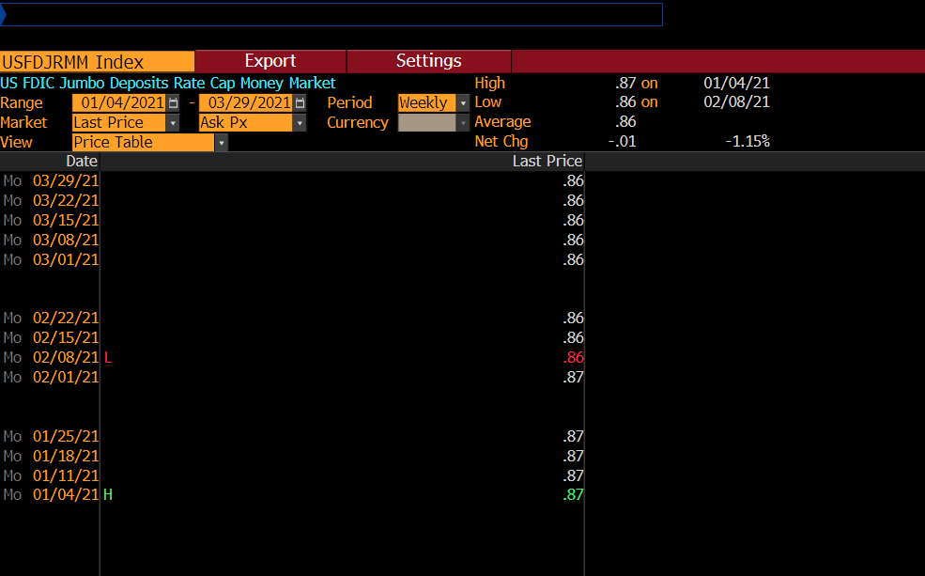
Date | PX_LAST
2021-03-29 | 0.86
2021-03-22 | 0.86
2021-03-15 | 0.86
2021-03-08 | 0.86
2021-03-01 | 0.86
2021-02-22 | 0.86
2021-02-15 | 0.86
2021-02-08 | 0.86
2021-02-01 | 0.87
2021-01-25 | 0.87
2021-01-18 | 0.87
2021-01-11 | 0.87
2021-01-04 | 0.87

USFDJR1C
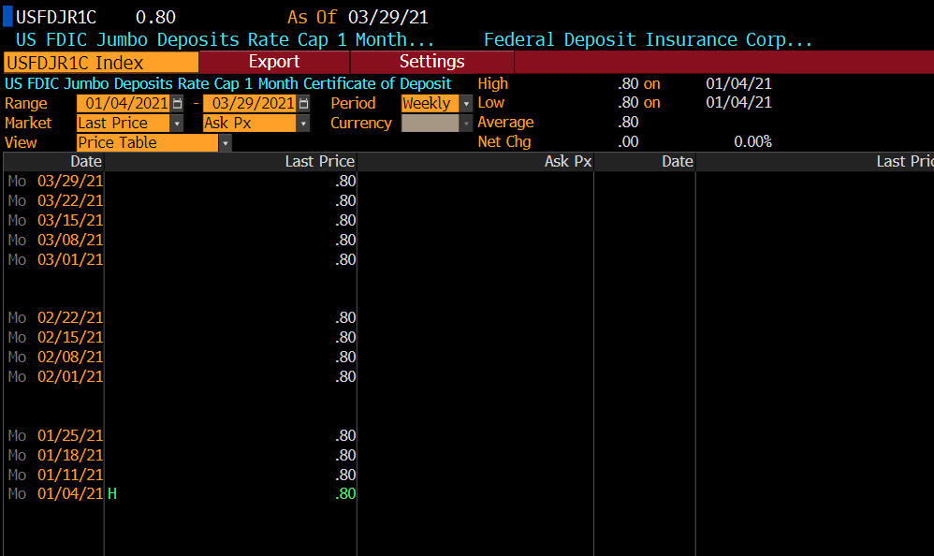
Security | USFDJR1C Index
Start Date | 1/4/21
End Date | 3/29/21
Period | W

Date | PX_LAST
2021-03-29 | 0.8
2021-03-22 | 0.8
2021-03-15 | 0.8
2021-03-08 | 0.8
2021-03-01 | 0.8
2021-02-22 | 0.8
2021-02-15 | 0.8
2021-02-08 | 0.8
2021-02-01 | 0.8
2021-01-25 | 0.8
2021-01-18 | 0.8
2021-01-11 | 0.8
2021-01-04 | 0.8

